Project3710
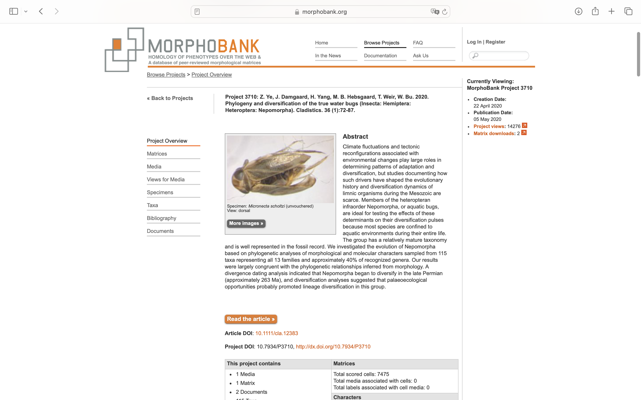
Charlabels | Character Pattern | Unseen States
[1] 'Sternum 7 of female prolonged' | Neomorphic | NO
[2] 'Antennae' | Transformational | NO
[3] 'Apex of abdomen' | Transformational | NO
[4] 'Fore wings' | Transformational | NO
[5] 'Base of labial segment 2' | Neomorphic | NO
[6] 'Metacoxae' | Transformational | YES
[7] 'Hind tibiae' | Transformational | YES
[8] 'Fore tarsus' | Transformational | YES
[9] 'Abdomen' | Transformational | YES
[10] 'Respiratory siphon' | Transformational | YES
[11] 'Tarsi' | Transformational | NO
[12] 'Eggs' | Transformational | YES
[13] 'Fore tibia' | Transformational | YES
[14] 'Abdominal parasternites' | Transformational | NO
[15] 'Eggs2' | Transformational | YES
[16] 'Body' | Transformational | YES
[17] 'Fore femur' | Transformational | YES
[18] 'Seminal receptacle' | Transformational | YES
[19] 'Food pump' | Transformational | NO
[20] 'Food pump2' | Transformational | YES
[21] 'Cibarial dilatator' | Transformational | YES
[22] 'Ileum' | Transformational | YES
[23] 'Clypeus' | Transformational | YES
[24] 'M-noto‐trochanteralis' | Transformational | YES
[25] 'Male genital capsule' | Transformational | YES
[26] 'Tarsal formula' | Transformational | YES
[27] 'Fore legs' | Transformational | NO
[28] 'Antennal segment' | Transformational | YES
[29] 'Tarsal formula2' | Transformational | YES
[30] 'Surface of thorax and fore wings' | Transformational | YES
[31] 'Anterior pronotum' | Transformational | NO
[32] 'Rostrum' | Transformational | YES
[33] 'Epipharyngeal plates' | Neomorphic | NO
[34] 'Clypeus2' | Transformational | NO
[35] 'Middle part of food pump' | Transformational | YES
[36] 'Labial segment 2' | Transformational | YES
[37] 'Fore tarsus2' | Transformational | NO
[38] 'Labium' | Transformational | NO
[39] 'Lateral mesepimeral lobus' | Transformational | YES
[40] 'Ocelli' | Neomorphic | NO
[41] 'Tarsal formula3' | Transformational | YES
[42] 'Hemielytra' | Transformational | NO
[43] 'First hind tarsal segment' | Transformational | YES
[44] 'Mesoscutellum' | Transformational | YES
[45] 'Fore femur of nymphs' | Transformational | YES
[46] 'Labium2' | Transformational | NO
[47] 'Male abdominal tergum 6' | Transformational | NO
[48] 'Male fore tarsus (pala)' | Transformational | NO
[49] 'Propleuron' | Transformational | YES
[50] 'Head muscles' | Transformational | NO
[51] 'Tarsal formula4' | Transformational | YES
[52] 'Fore tarsus of female' | Transformational | YES
[53] 'Abdominal spiracles' | Transformational | YES
[54] 'Dorsum' | Transformational | YES
[55] 'Receptaculum seminis' | Transformational | YES
[56] 'Ventral abdomen' | Transformational | YES
[57] 'Claval commissure' | Transformational | NO
[58] 'Male fore tarsus' | Transformational | YES
[59] 'Middle femur of male' | Transformational | NO
[60] 'Head' | Transformational | YES
[61] 'Frontoclypeus' | Transformational | NO
[62] 'Tarsal formula5' | Transformational | YES
[63] 'Head2' | Transformational | NO
[64] 'Abdominal scent glands' | Neomorphic | NO
[65] 'Male genitalia' | Transformational | NO

